BB - Modelling of AoB
Hello all

I wanted to set out in an email my concerns about the handling of AoB charges post 2022 in the CBA modelling. It is a difficult issue to model because it is by no means clear how charges will be distributed between participants; but I think it is an important one:
(a) because it may affect the CBA result, and
(b) because it may influence participants' expectations about the charges they will face in future.

These are issues I have raised before, but I thought it was worth bringing them together into a single email now, especially as John has made a change in this area since I last wrote; $160M of Transpower's costs now form a 'residual' which will never be allocated by AMI. The $160M reflects overheads which are not associated with specific assets. This seems like a good improvement.

My first concern is about the total amount of money that will be recovered through AoB charges. In the base case, the breakdown of AMD vs AoB over time is as follows:
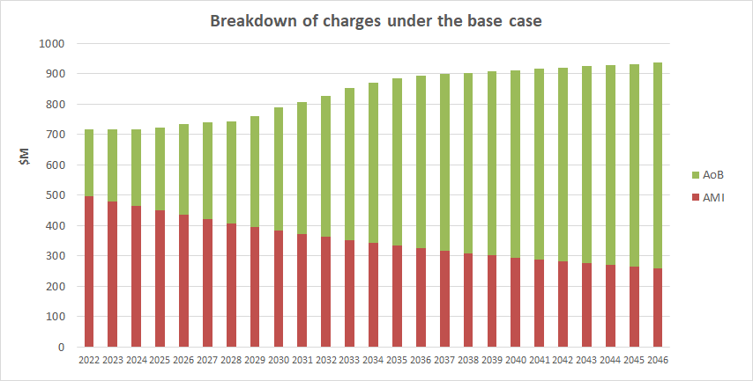

Note that when the AoB charge is first introduced, it only covers the major historic investments - which form about 30% of the total bill.

My question is this: Are Transpower's O&M activities supposed to be covered under the AoB charge? If no, then I think the residual of $160M is too small - it should be adjusted upwards to cover O&M as well as overheads. If yes, then I think the initial AoB share of 30% is too small - it should be adjusted upwards to cover O&M activities taking place in 2022.

My second concern is about the distribution of AoB charges post 2022. In the base case, the allocation of AoB changes over time as follows:

Observations on the above:
A. The share of AoB charges paid by generation falls by more than 50% (from 37% to 17%) - I can see no obvious reason why this should be the case,
B. By 2050, 60% of all AoB charges on generation are paid by generators in the BEN area (i.e. Meridian) - this seems a bit unjust as generators in other areas also derive benefit from the grid,
C. On the load side, Auckland (OTA) pays more AoB charges than all other loads put together by 2050 - this is disproportionate to their share of the load, and again seems unjust as consumers in other areas also derive benefit from the grid. It might be reasonable if further major transmission upgrades in the upper North Island would be required, but there is no suggestion of this,
D. Some areas face considerable increases over time in AoB charges on load - doubling (HLY 1 and TRK 1), tripling (TRK 2) or even quadrupling (WKM 1 and HLY 2) - admittedly from a low base,
E. In the lower South Island, AoB charges on load drop almost to nothing. This includes BEN, ROX and TWI which between them pay less than 1% of AoB charges by 2049 - despite making up 17% of national electricity consumption,
F. The Tiwai smelter gets off particularly lightly - by 2049, its share of AoB charges on load drops to 10% of the 2022 level - even in absolute terms this is only 25% of its 2022 level. AMI charges would also fall away over the period. I think this has the potential to be an unpopular outcome, and I don't think it's reflective of the benefit that Tiwai derives from the grid (i.e. it needs 600 MW of 24/7 supply to avoid turning into a giant block of solid aluminium).

Apologies if the EA is already across these issues, but if not, I think they would be worth resolving.

I suspect an easy and effective fix to my second concern would be to model the majority of new AoB charges as being 'smeared' evenly across all load and generation (c.f. the LCE-based allocation currently used).

Cheers
BB

PS I hope the graphs above are legible, let me know if not.

